sc03tc01 To Sc05_TC02
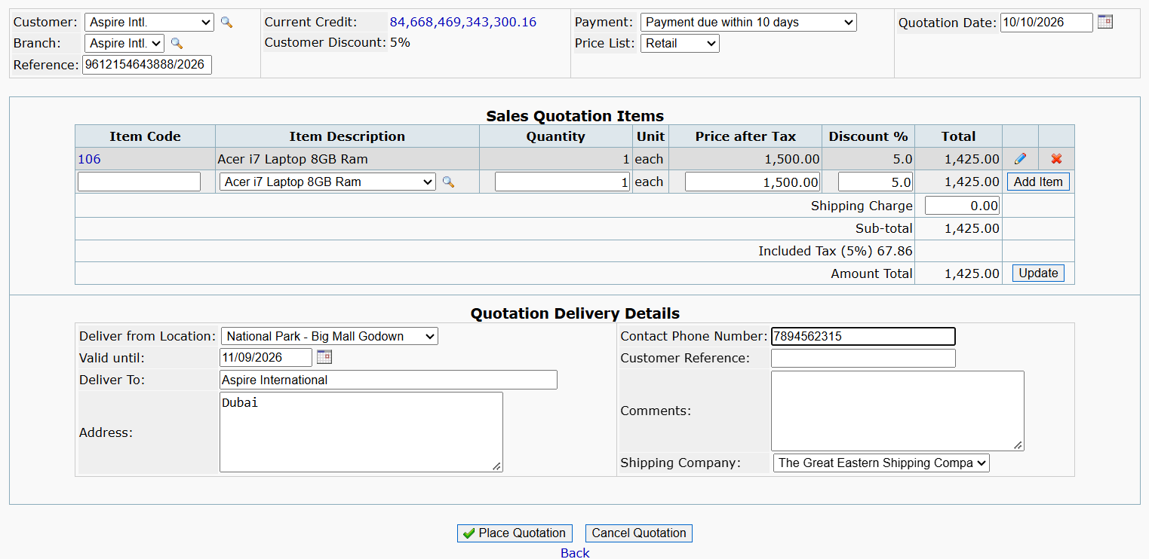
DELETE ITEM
sc03tc01: 1. To test item gets delete when single item is present and delete button is clicked

sc03tc02: 2. to test if item gets deleted when multiple item are present and delete button is not clicked

PLACE QUOTATION
Sc04_TC01: Verify quotation is placed when all required details are correct.
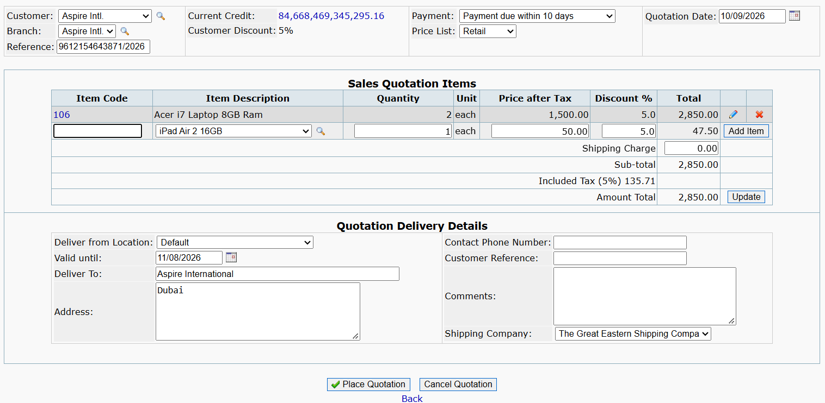

Sc04_TC02: Verify quotation is not placed when quotation date is in the past.
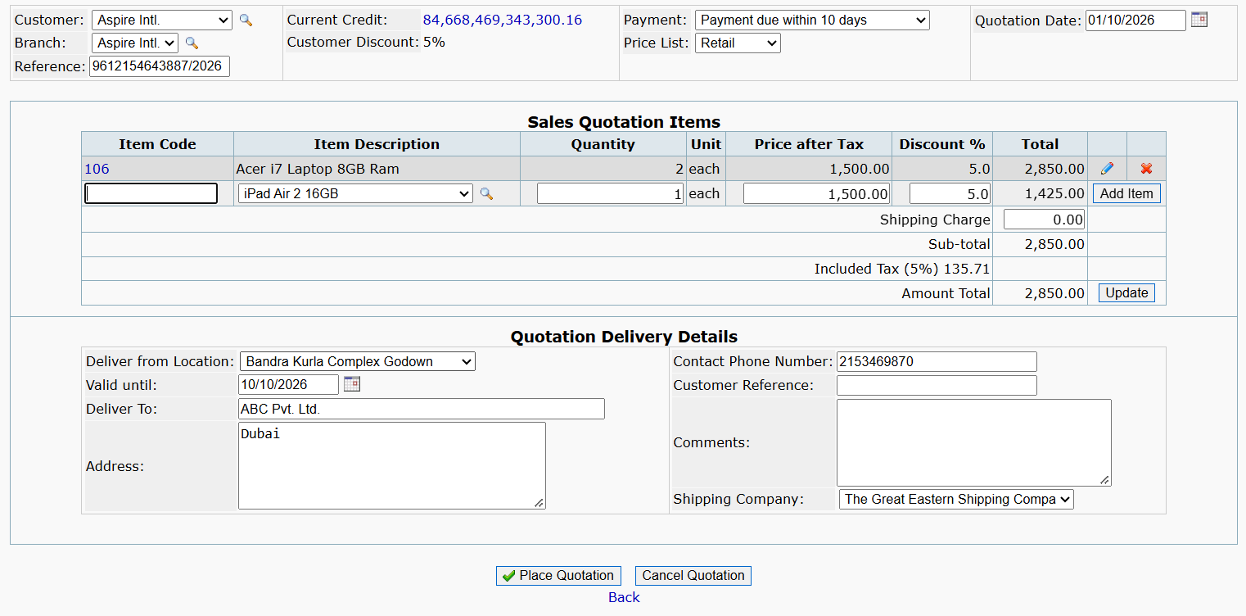

Sc04_TC03: Verify quotation is not placed when delivery details are missing or incorrect.
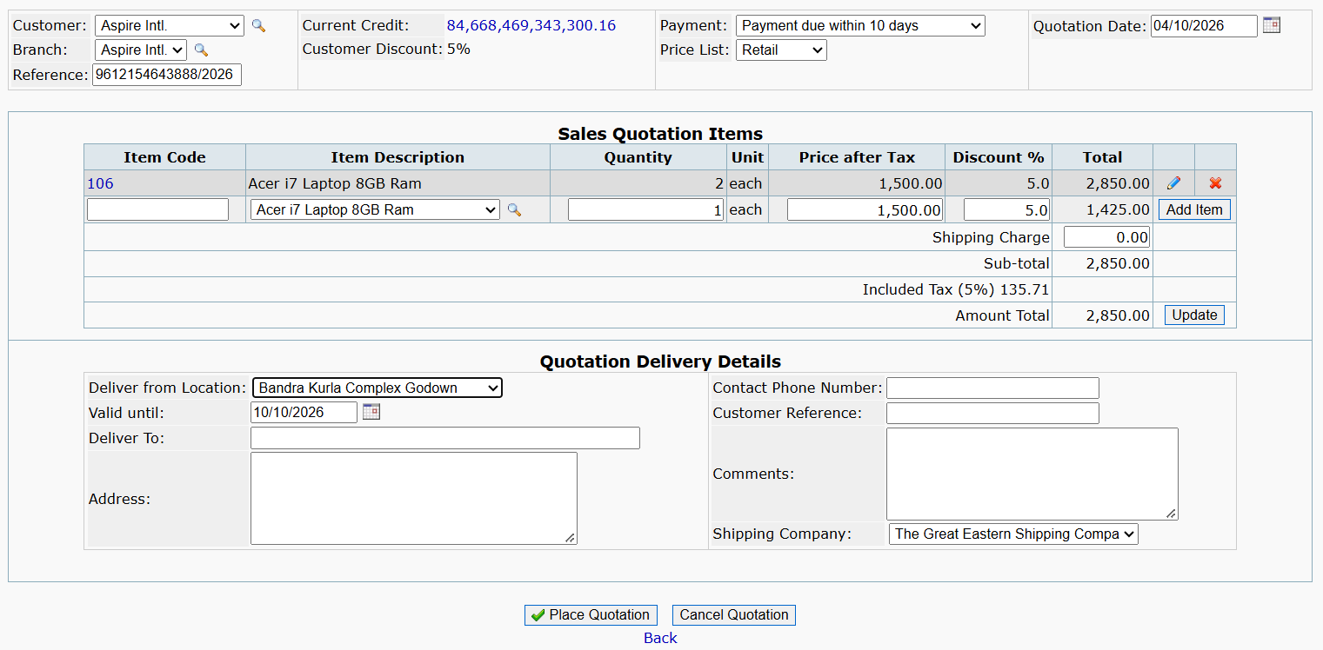

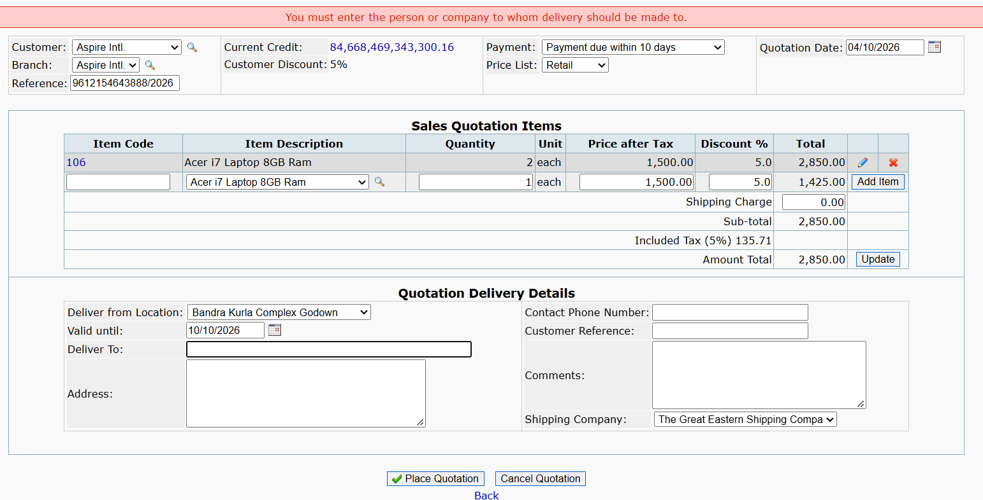

Sc04_TC04: Verify quotation is not placed when no item is added.
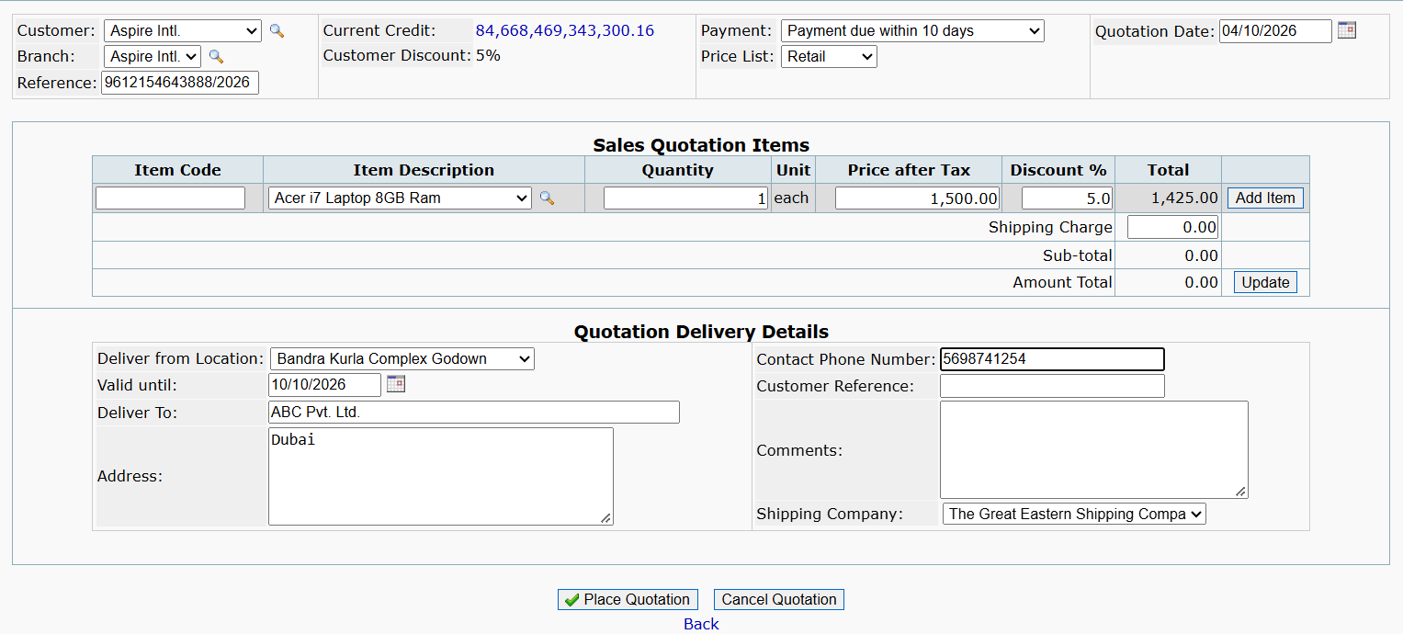

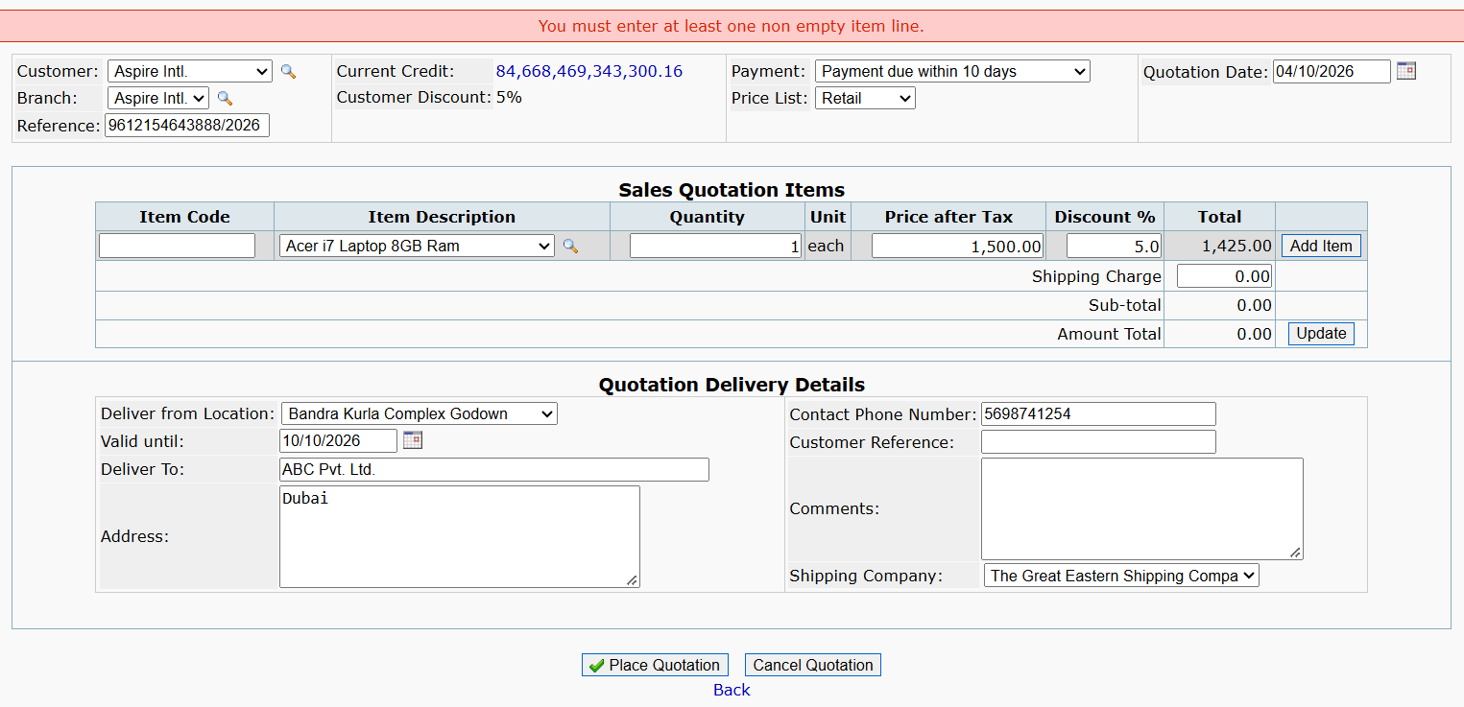

Sc04_TC05: Verify quotation is not placed when Valid Until date is earlier than quotation date.
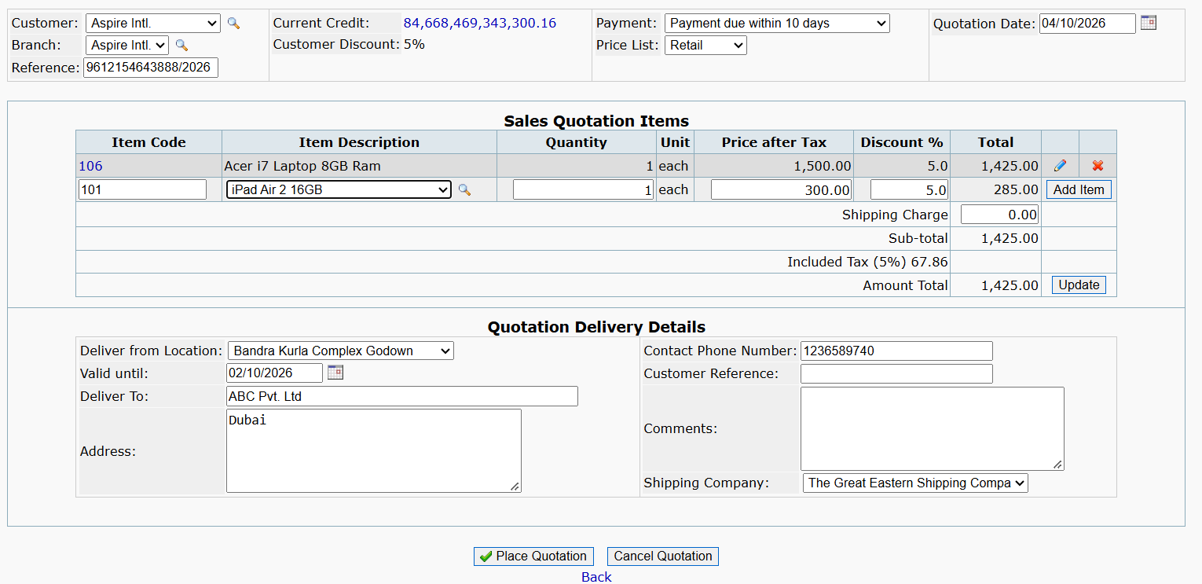

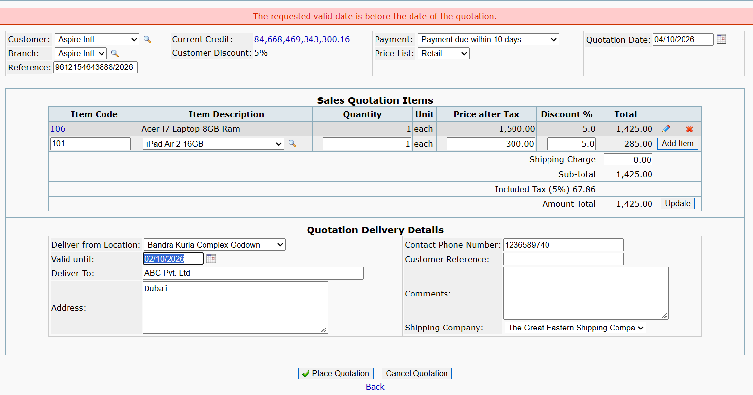

CANCLE QUOTATION
Sc05_TC01: Verify quotation is cancelled when user confirms cancellation using OK button.
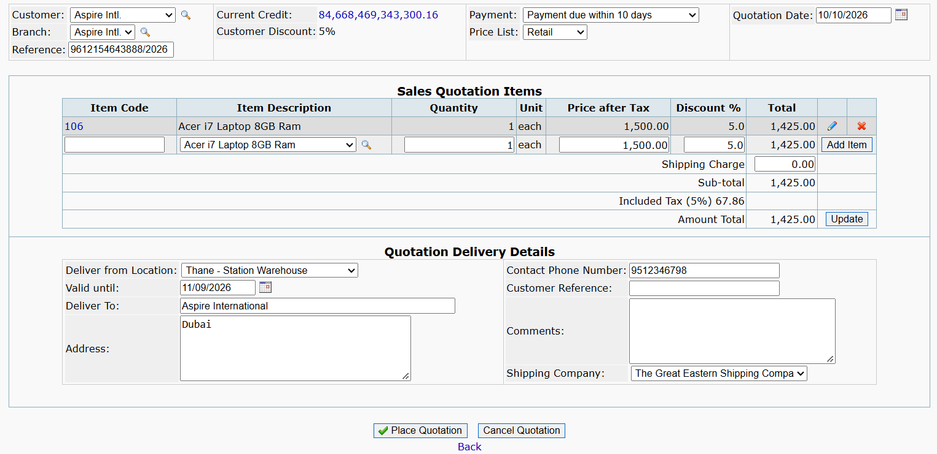

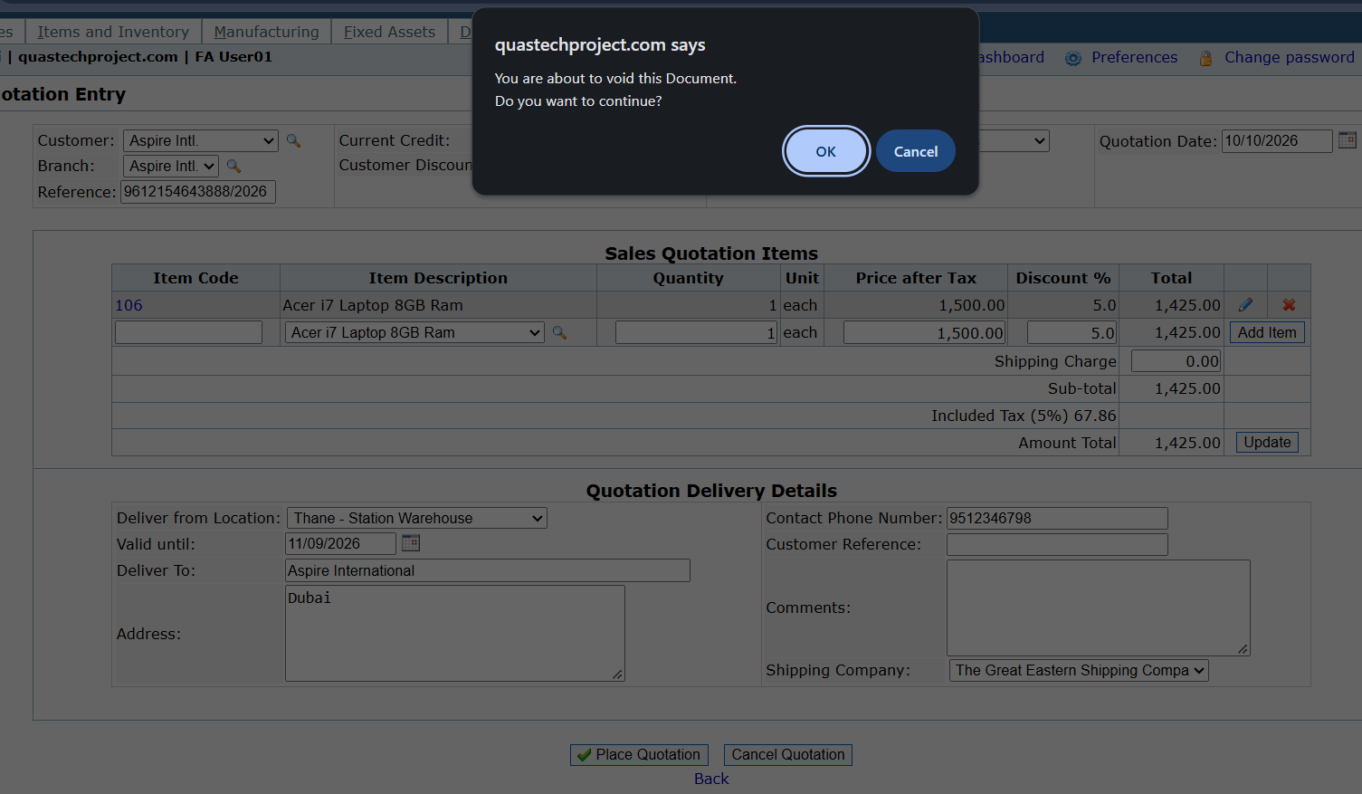

Sc05_TC02: Verify quotation is not cancelled when user does not confirm cancellation using OK button.

Sc06_Tc01 To Sc08_Tc03
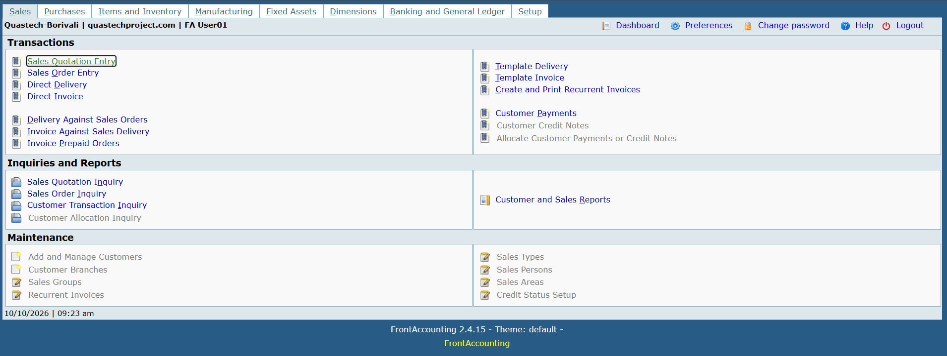
UPDATE BUTTON
Sc06_Tc01: Verify total amount is calculated when valid shipping charge is entered.

Sc06_Tc02: Verify total amount is not calculated when invalid shipping charge is entered.

Sc06_Tc03: Verify total amount is calculated when blank shipping charge is entered.

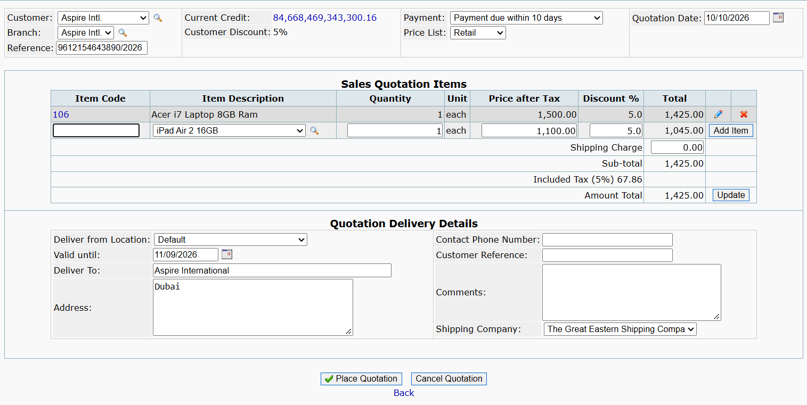
BACK BUTTON
Sc07_Tc01: Verify Back button navigates the user to the previous page.

M3 Sc_15_Tc_01 To Sc_18_Tc_03
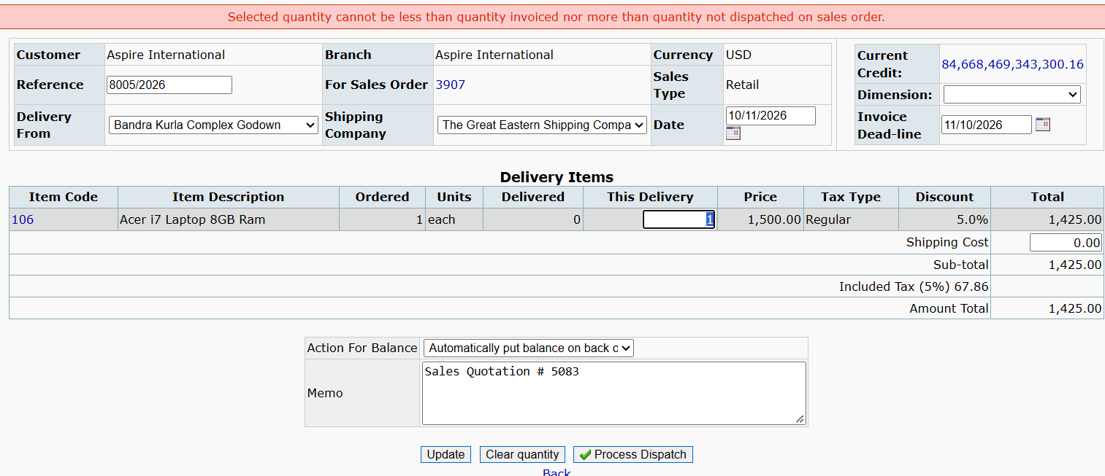
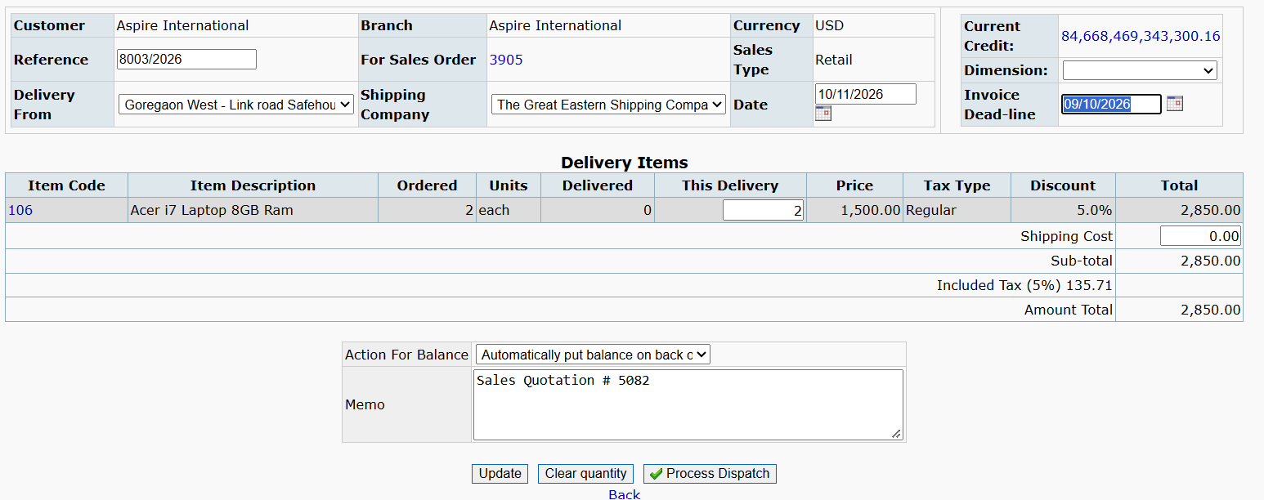
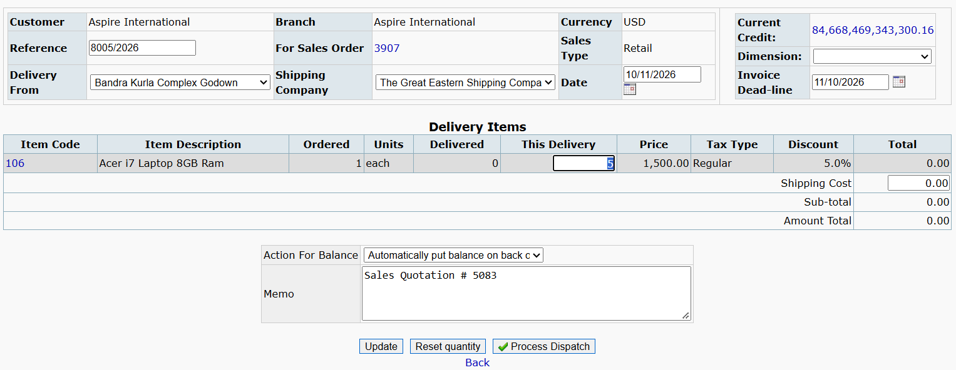
BACK BUTTON
Sc_15_Tc_01: 1. To test back button,click on back button to go previous page.(refer to Sc_07)

UPDATE BUTTON
Sc_16_Tc_01: 1. To test total amount gets calculate when valid shipping charge is entered.(refer to Sc_06)
Sc_16_Tc_02: 2. To test total amount gets calculate when invalid shipping charge is entered.(refer to Sc_06)
Sc_16_Tc_03: 3. To test total amount gets calculate when blank shipping charge is entered.(refer to Sc_06)

PROCESS DISPATCH
Sc_17_Tc_01: Verify Process Dispatch with valid delivery details
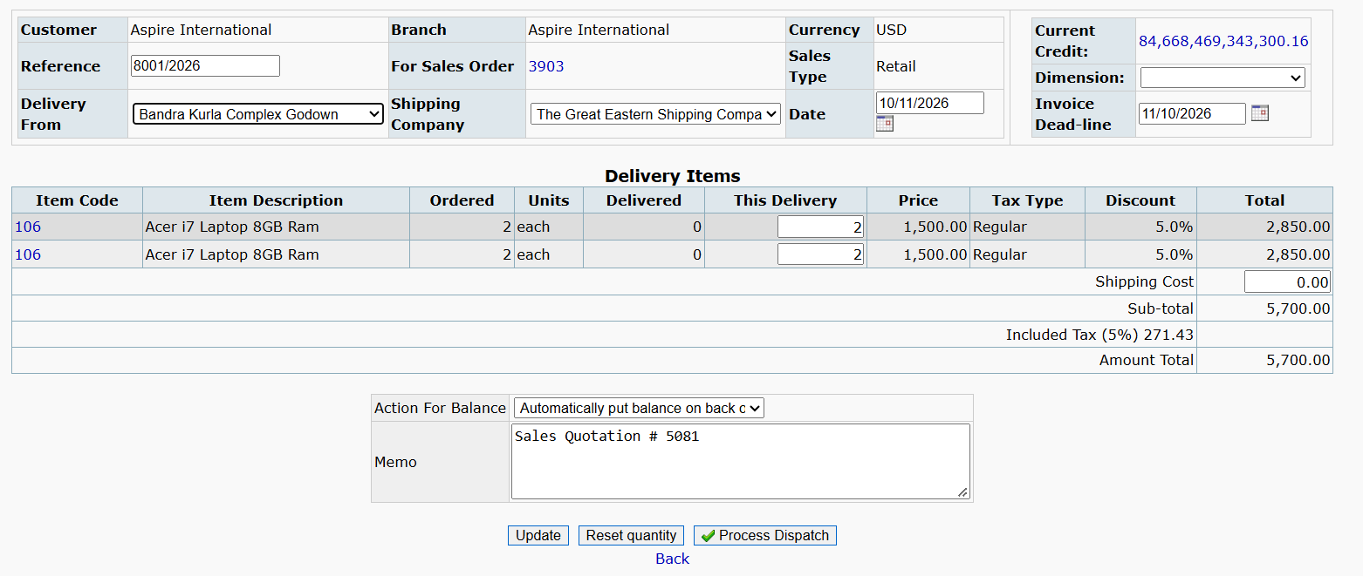

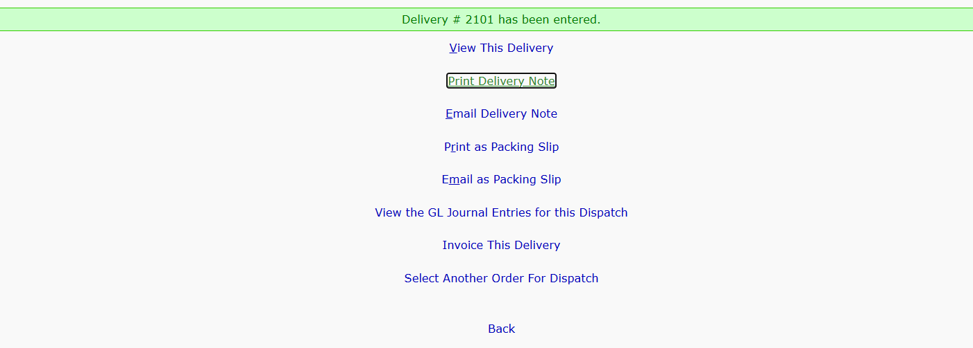

Sc_17_Tc_02: Verify validation for Delivery From and Date

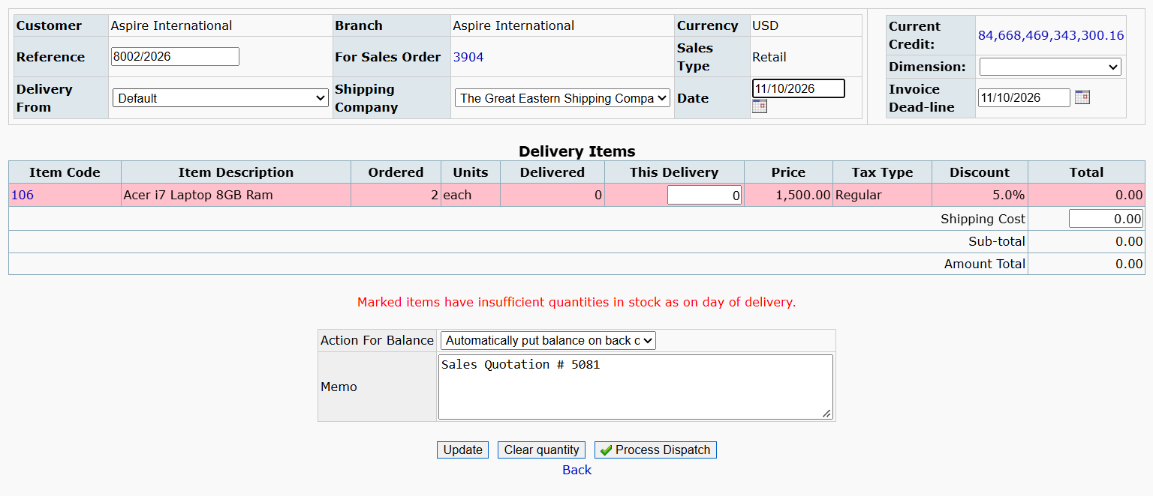

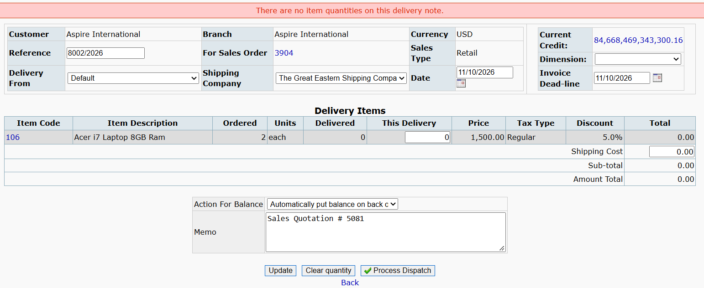

Sc_17_Tc_03: Verify validation for Invoice Dead-line

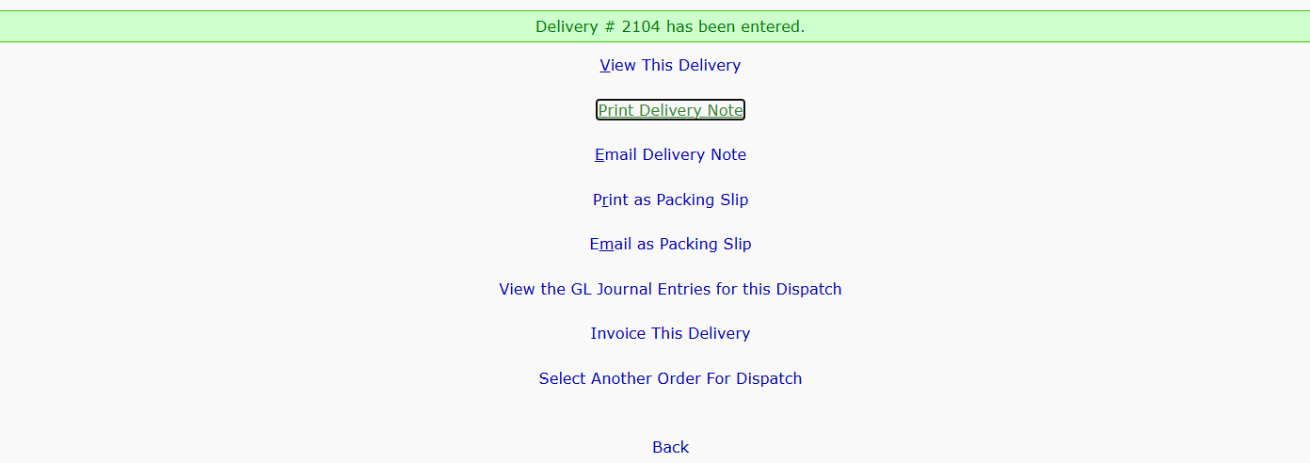

Sc_17_Tc_04: Verify validation for This Delivery quantity
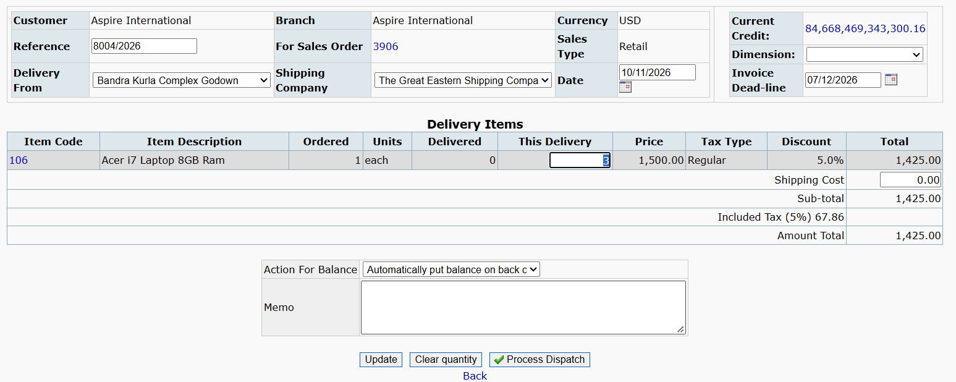



CLEAR QUANTITY
Sc_18_Tc_01: Verify Clear Quantity functionality
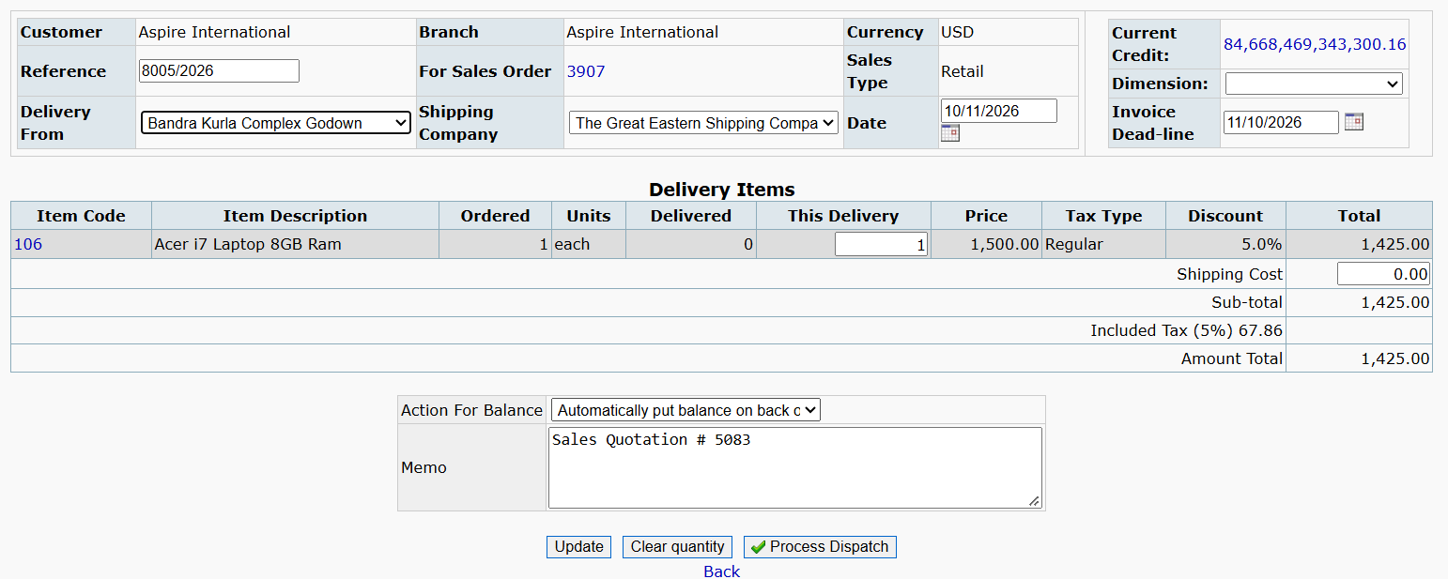

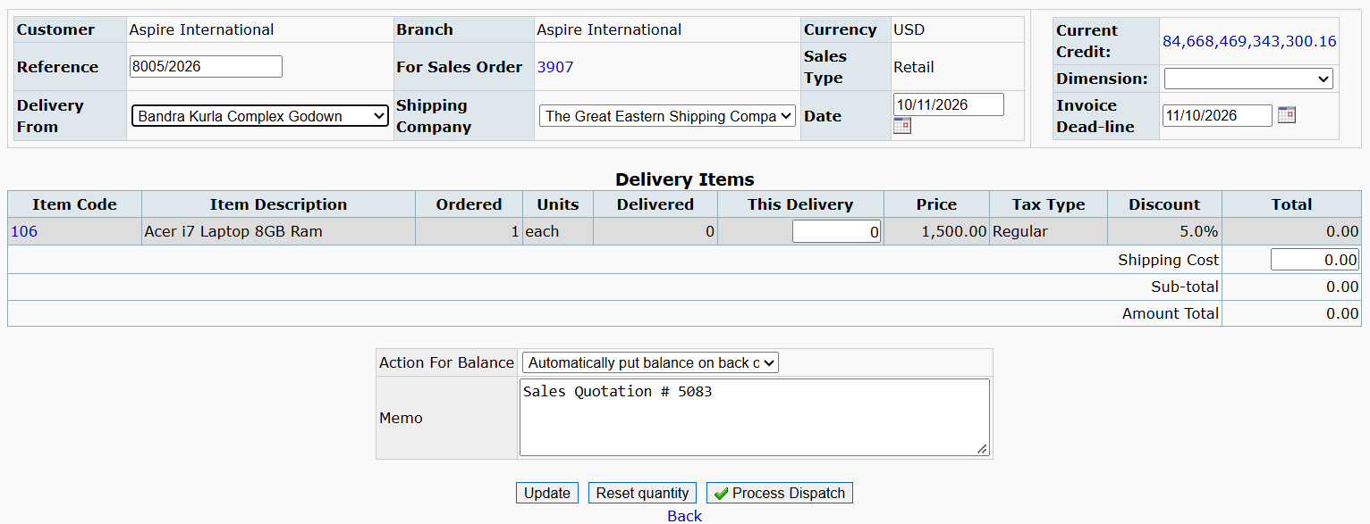

Sc_18_Tc_02: Verify Clear Quantity button changes to Reset Quantity.

M4 SC_19_Tc_01 To Sc_22_Tc_01
PROCESS INVOICE
SC_19_Tc_01: 1. test or verify that the invoice date is populated with the current/system date. allows a past date ,and does not allow a future date.
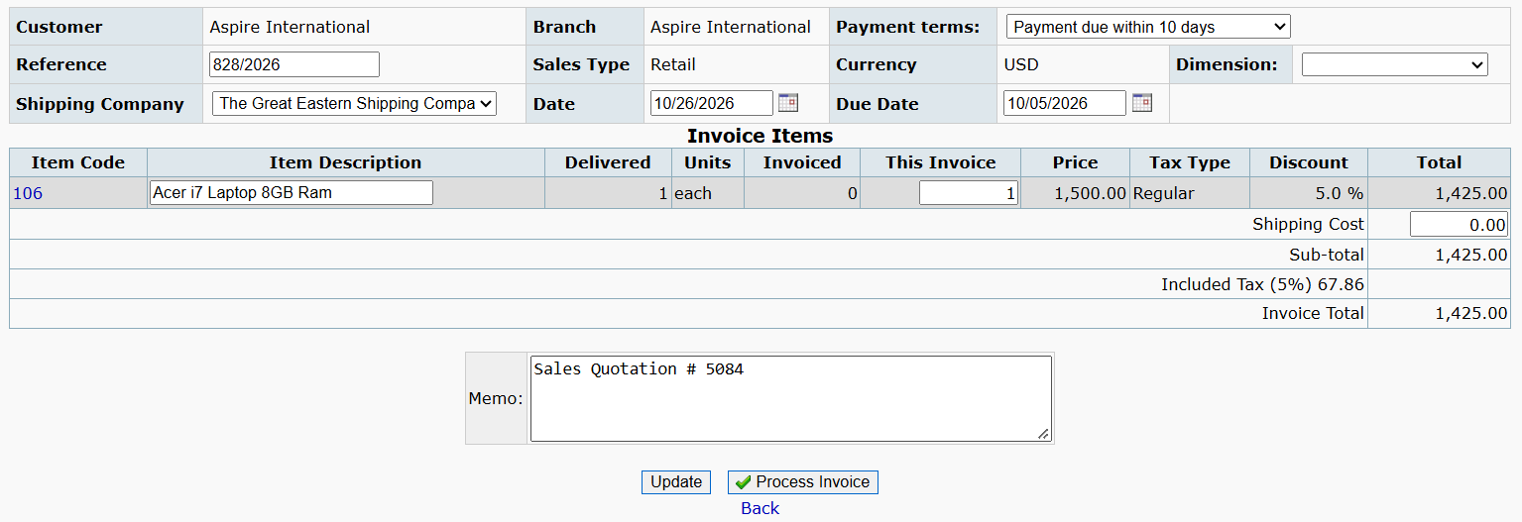

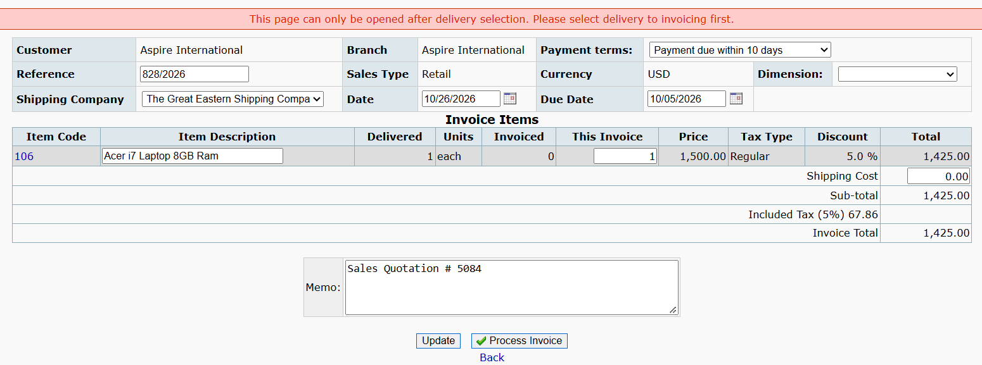

SC_19_Tc_02: 2. to test or verify that the user can select the required payment terms from available options.
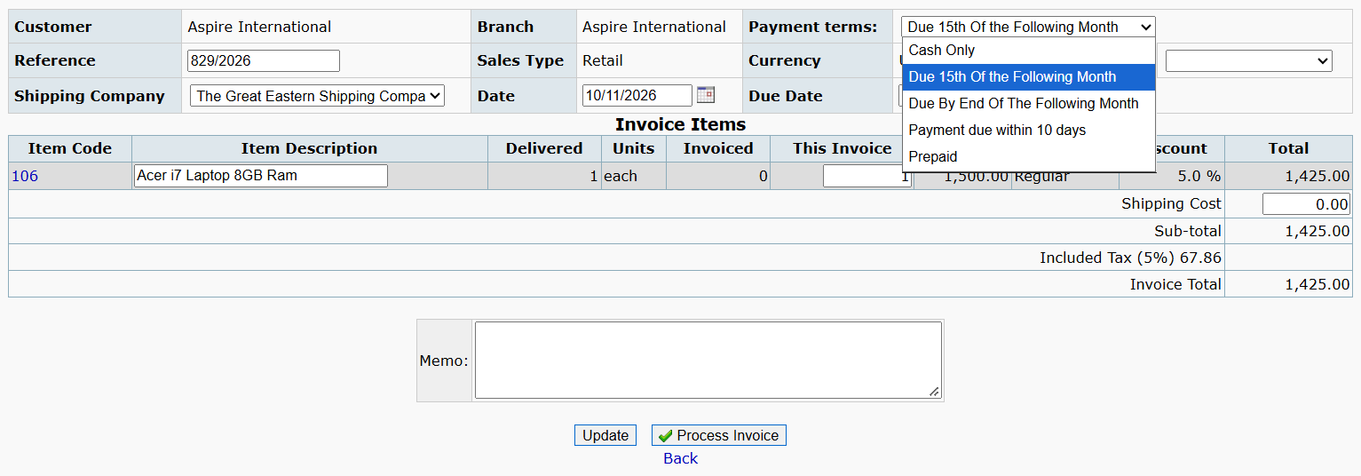

SC_19_Tc_03: 3. to test or verify that the due date is calculated correctly based on the selected payment terms and invoice date.
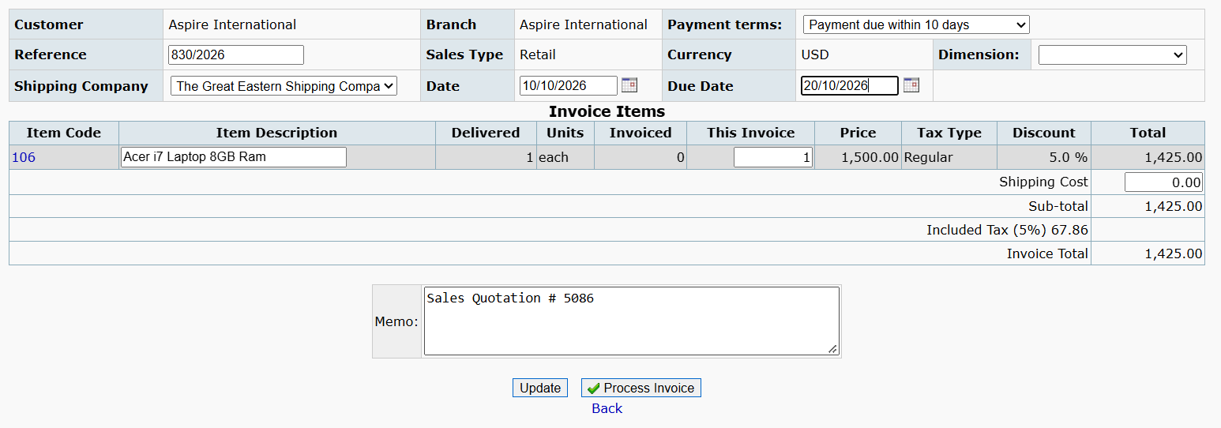

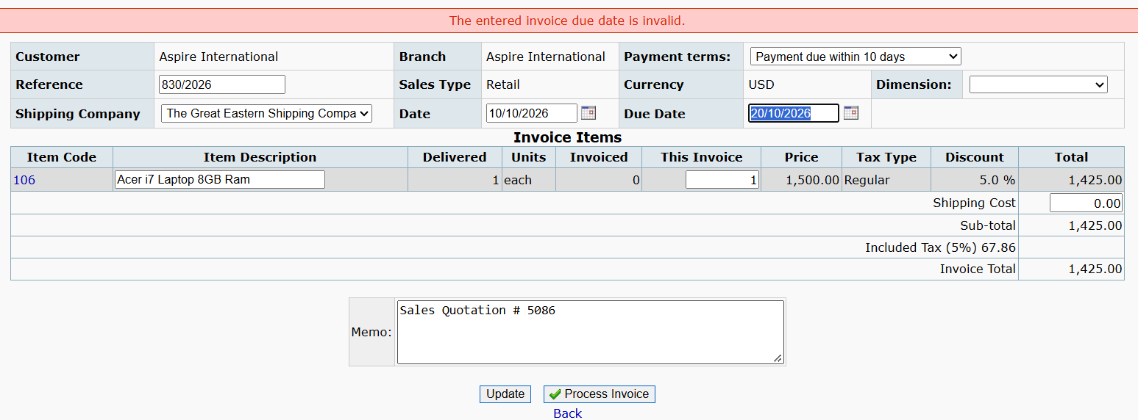

SC_19_Tc_04: 4. to test or verify that clicking process invoice successfully processes the invoice and crreates the required dispatch entry.
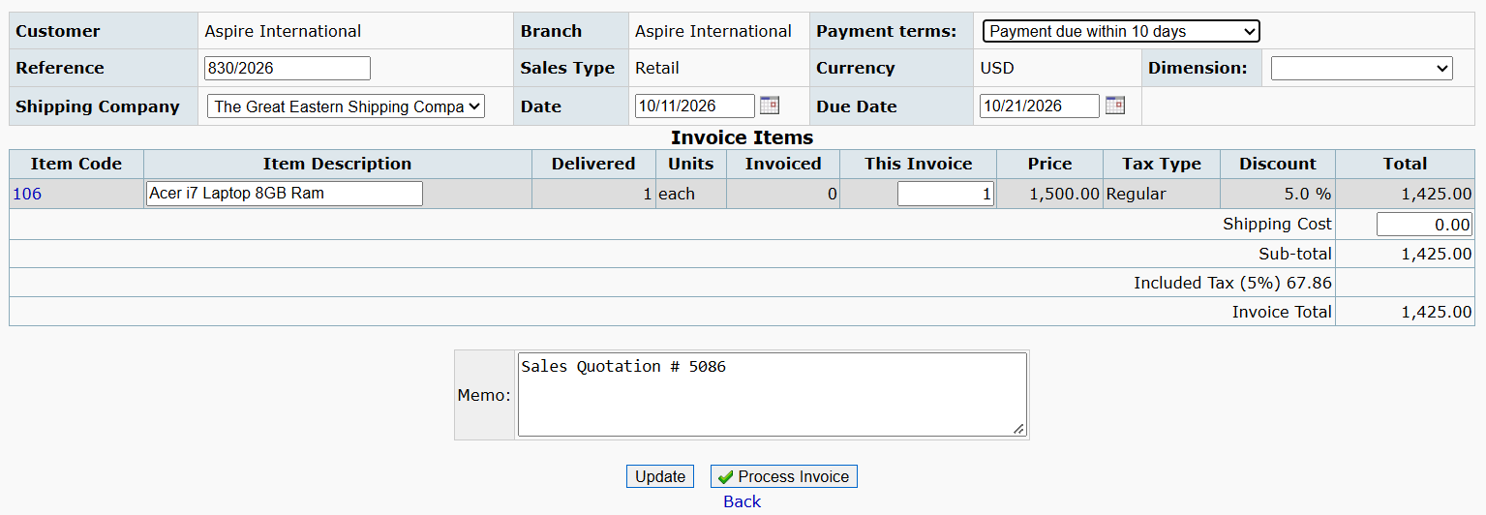

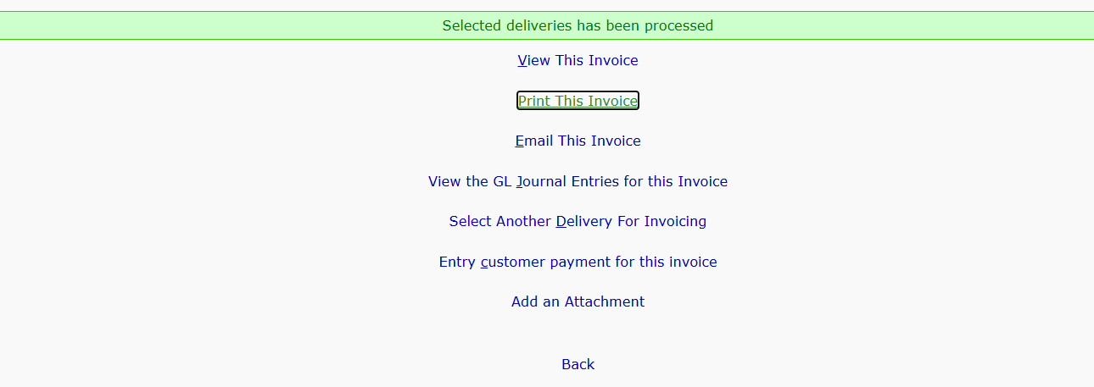

REFERENCE
Sc_20_Tc_01: 1. To test or verify that the Reference is displayed for the invoice.
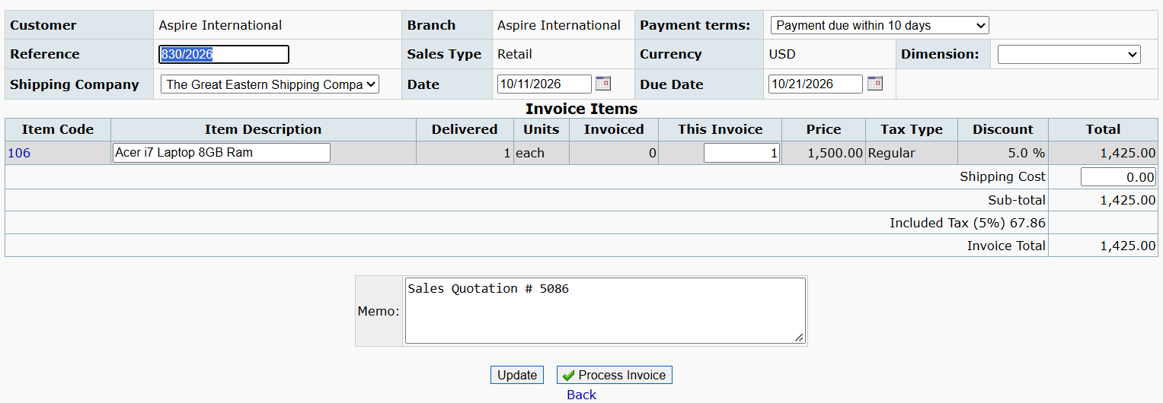

Sc_20_Tc_02: 2. To test or verify that the Reference is automatically generated for the invoice.
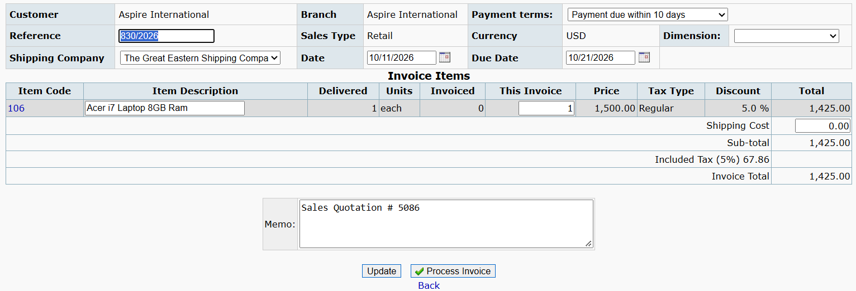

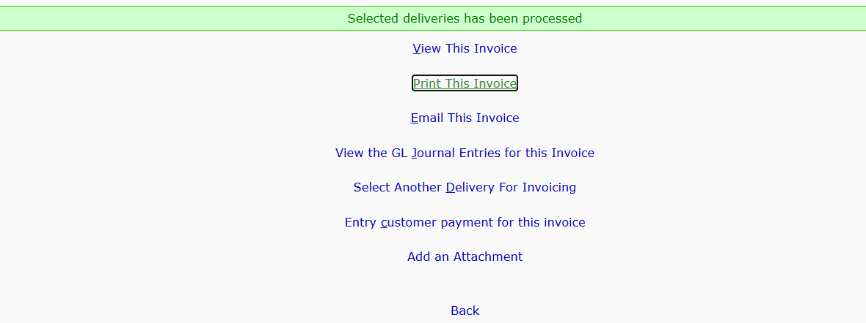

UPDATE BUTTON
Sc_21_Tc_01: 1. To test total amount gets calculate when valid shipping charge is entered.(refer to Sc_06)
Sc_21_Tc_02: 2. To test total amount gets calculate when invalid shipping charge is entered.(refer to Sc_06)
Sc_21_Tc_03: 3. To test total amount gets calculate when blank shipping charge is entered.(refer to Sc_06)

BACK BUTTON
Sc_22_Tc_01: 1. To test back button,click on back button to go previous page.(refer to Sc_07)

M6 SC_30_TC_01 To SC_34_TC_03
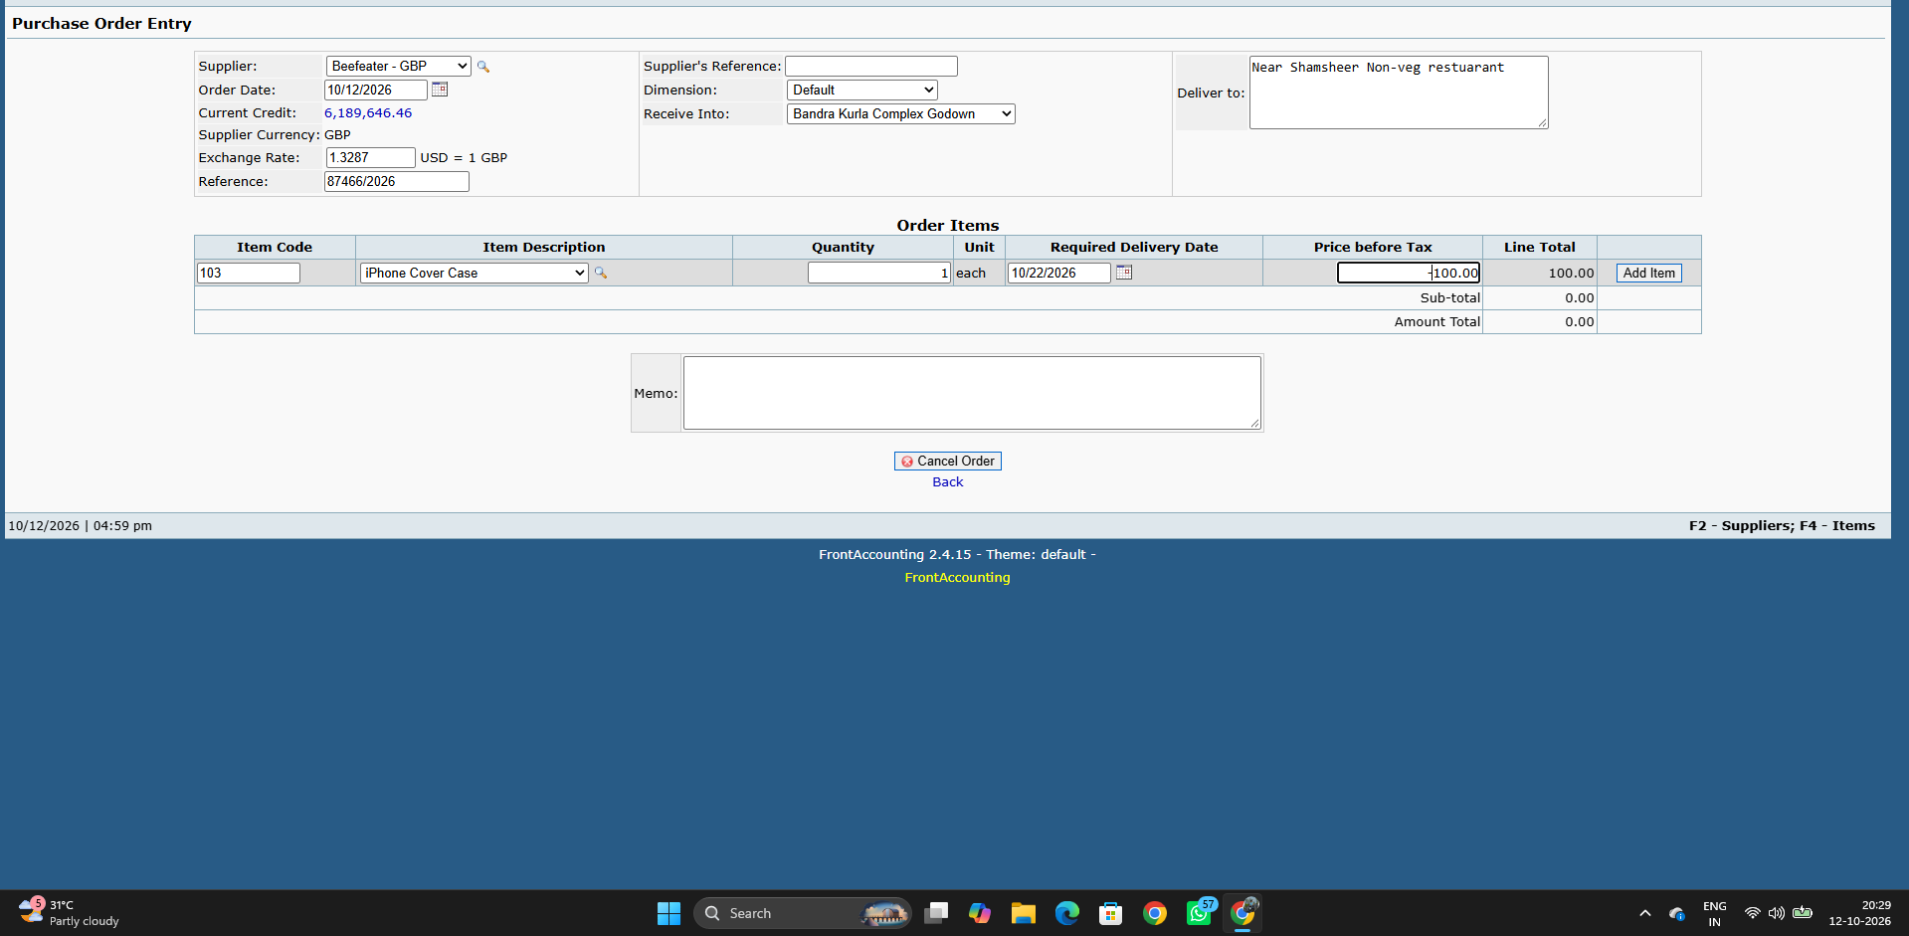
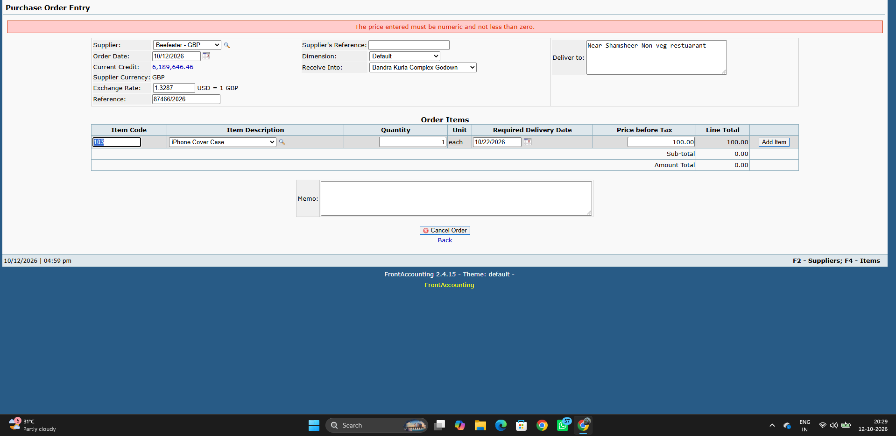
MODULE 06:- PURCHASE ORDER ENTRY

Supplier & Receive Into

To test or verify user can select required Valid section when value is correctly dropdown
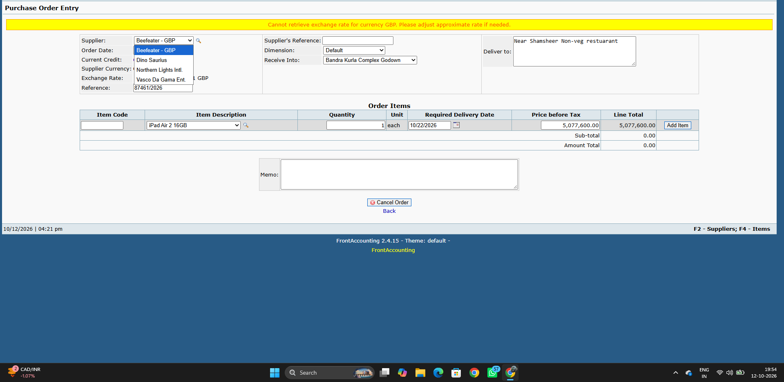

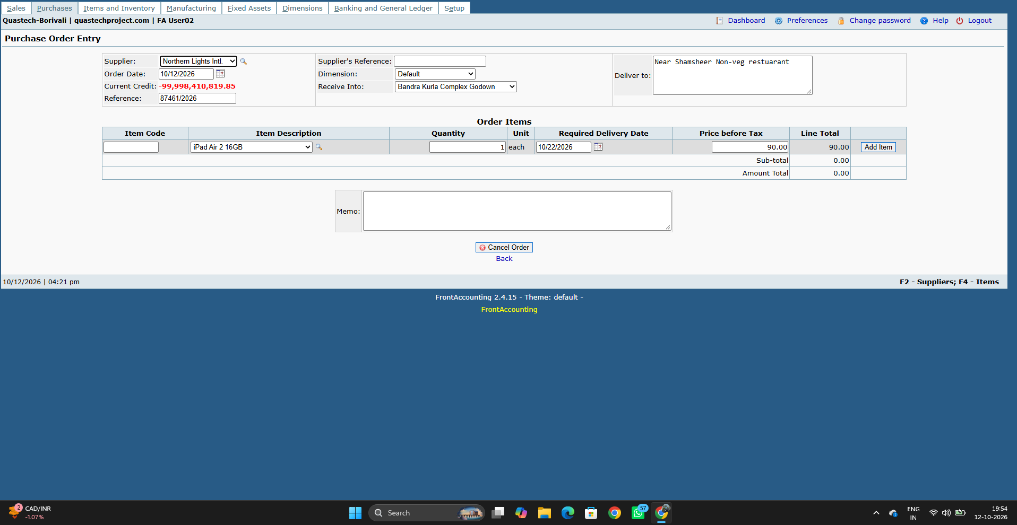

Supplier's Reference

To test or verify that the user can enter Valid alphanumeric Reference value
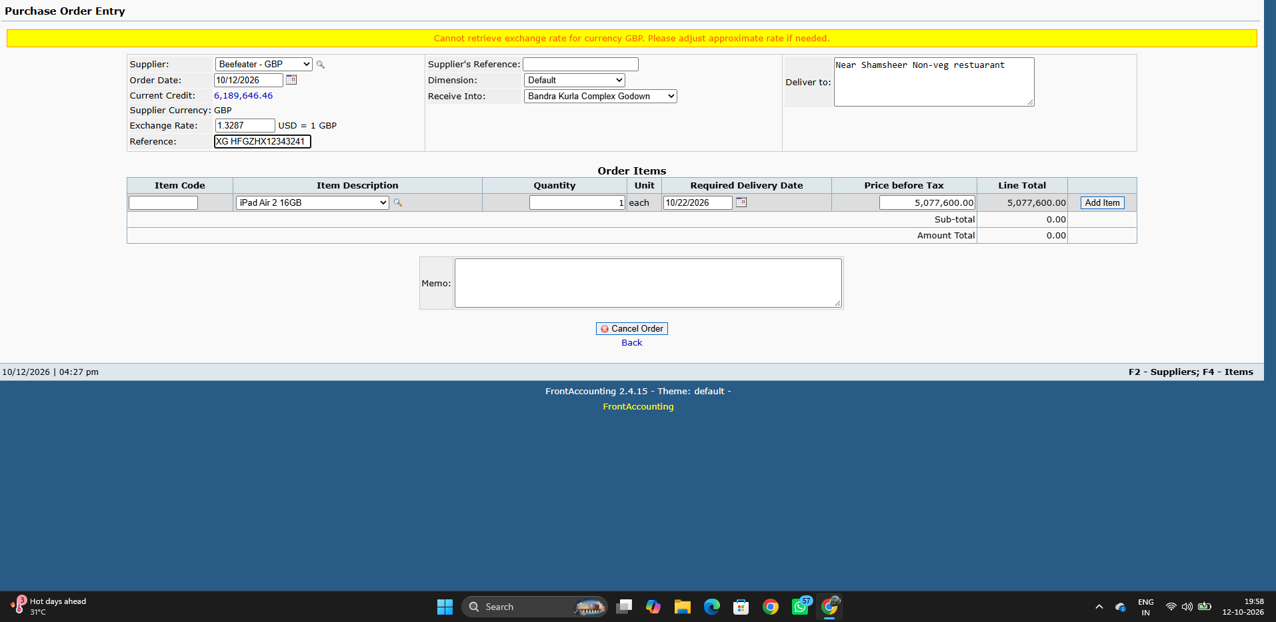

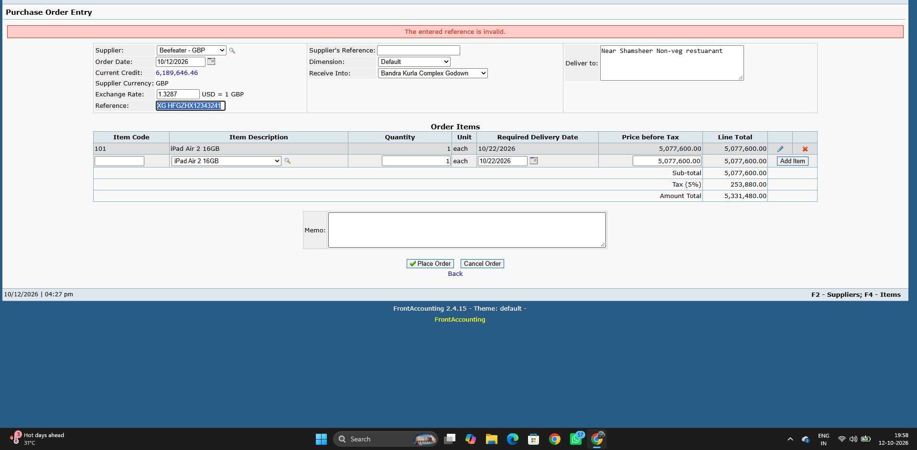

To test or verify that the user can enter Blank Reference value


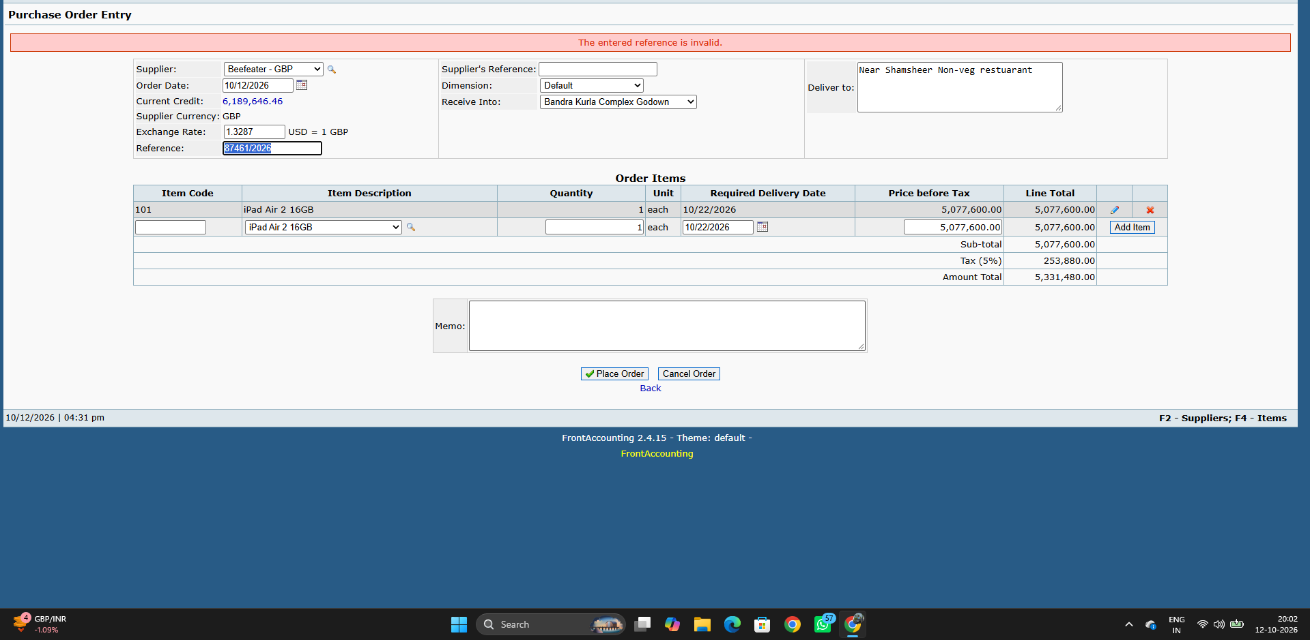

Deliver to

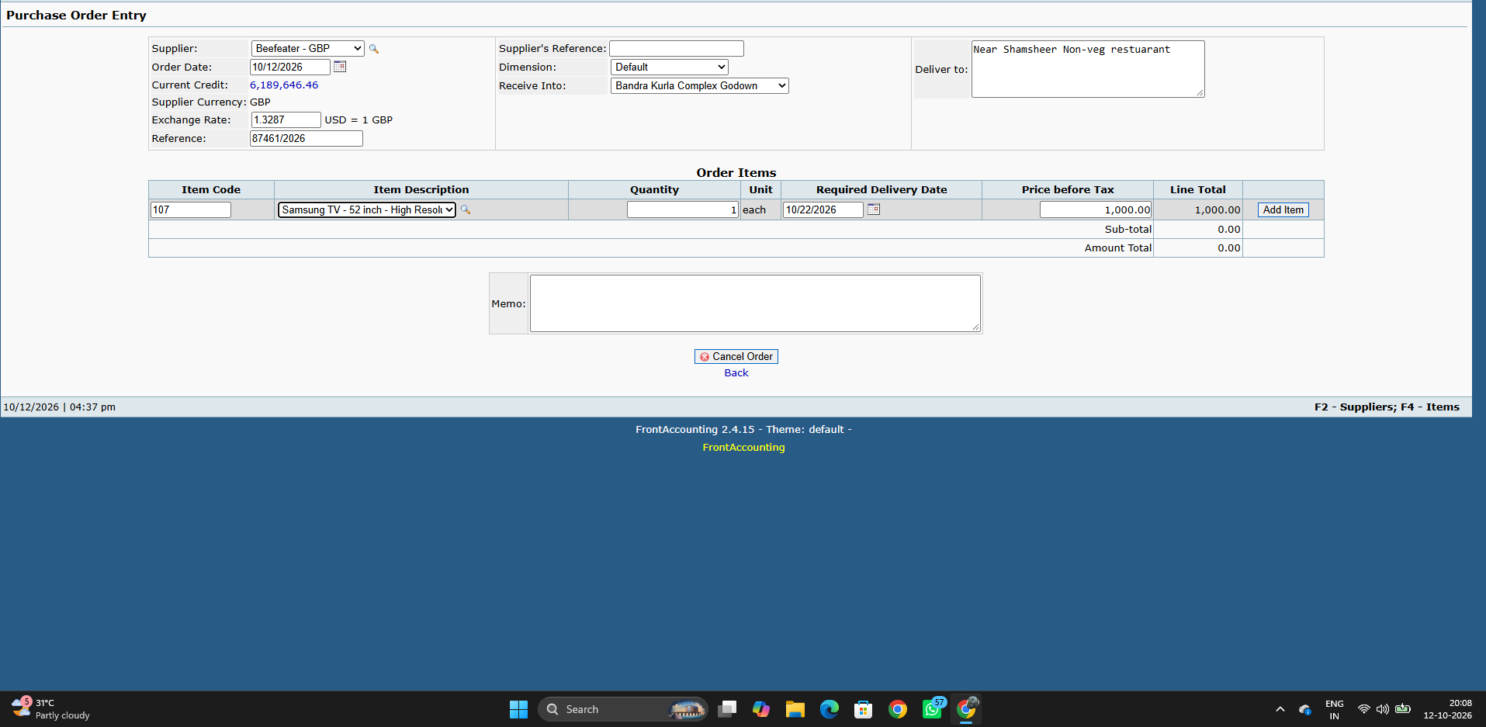
To test or verify user enter valid address

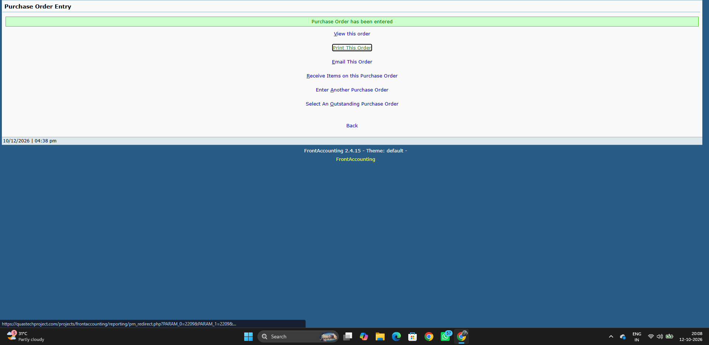

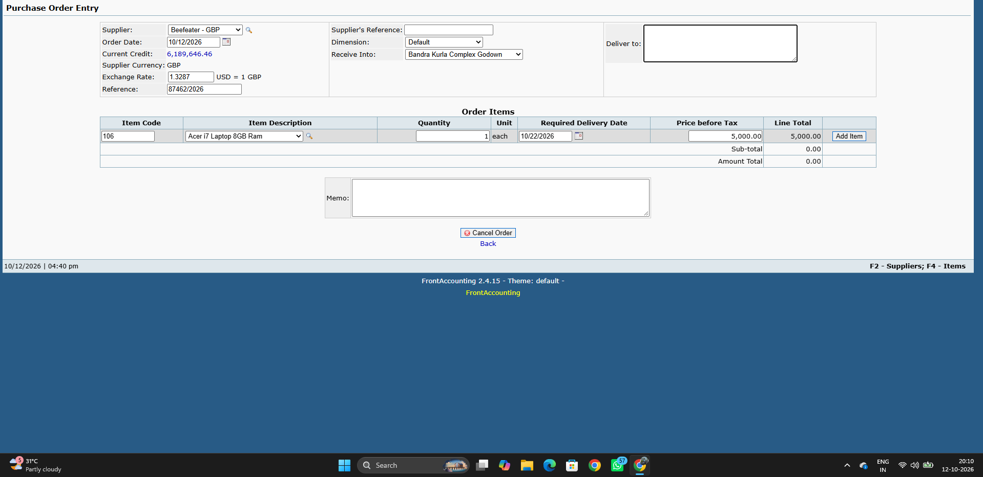
To test or verify user enter Blank/Invalid address

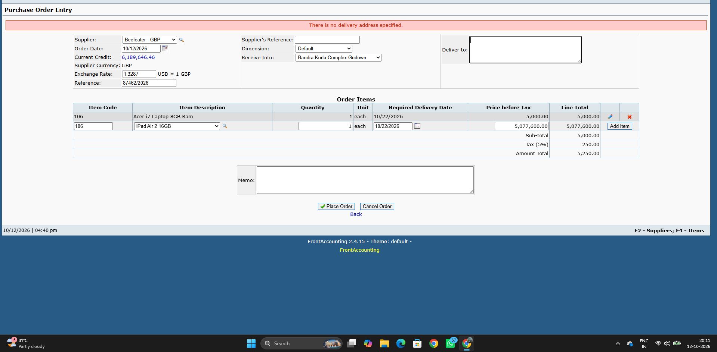

Delivery Date

To test or verify date is accepted in Required Delivery Field when Current/Future Date is selected
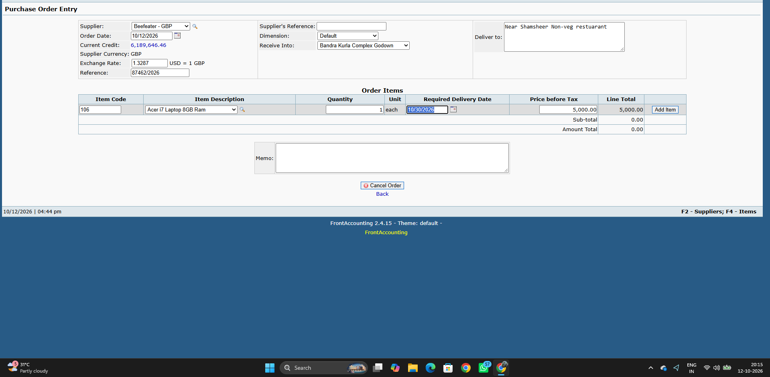



To test or verify date is accepted in Required Delivery Date when Past Date is selected
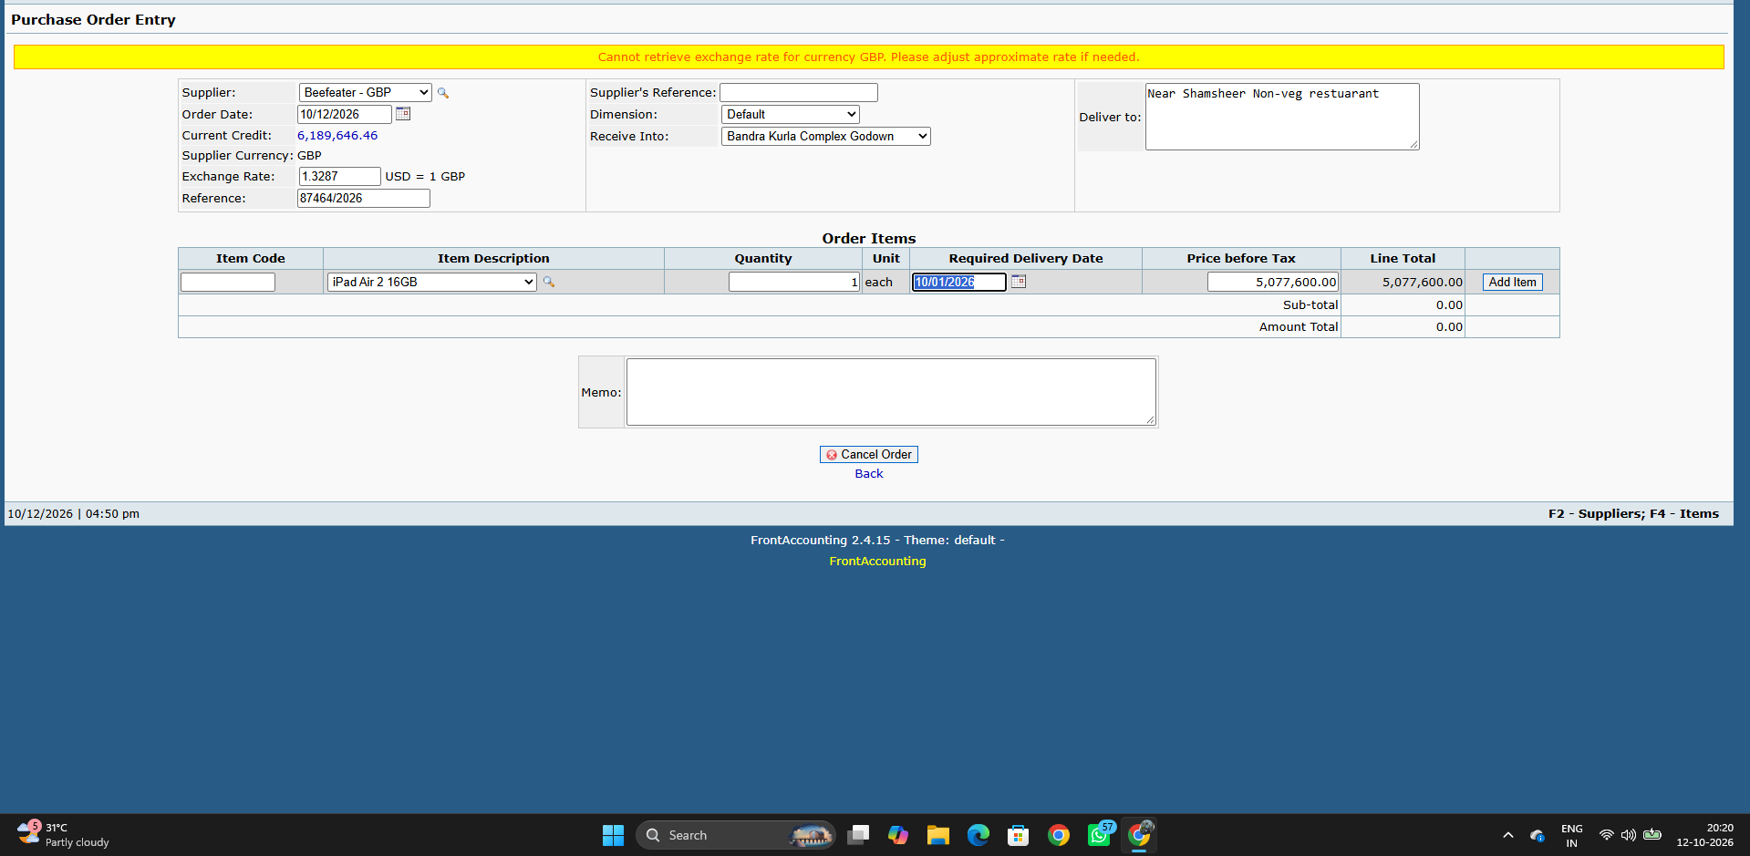

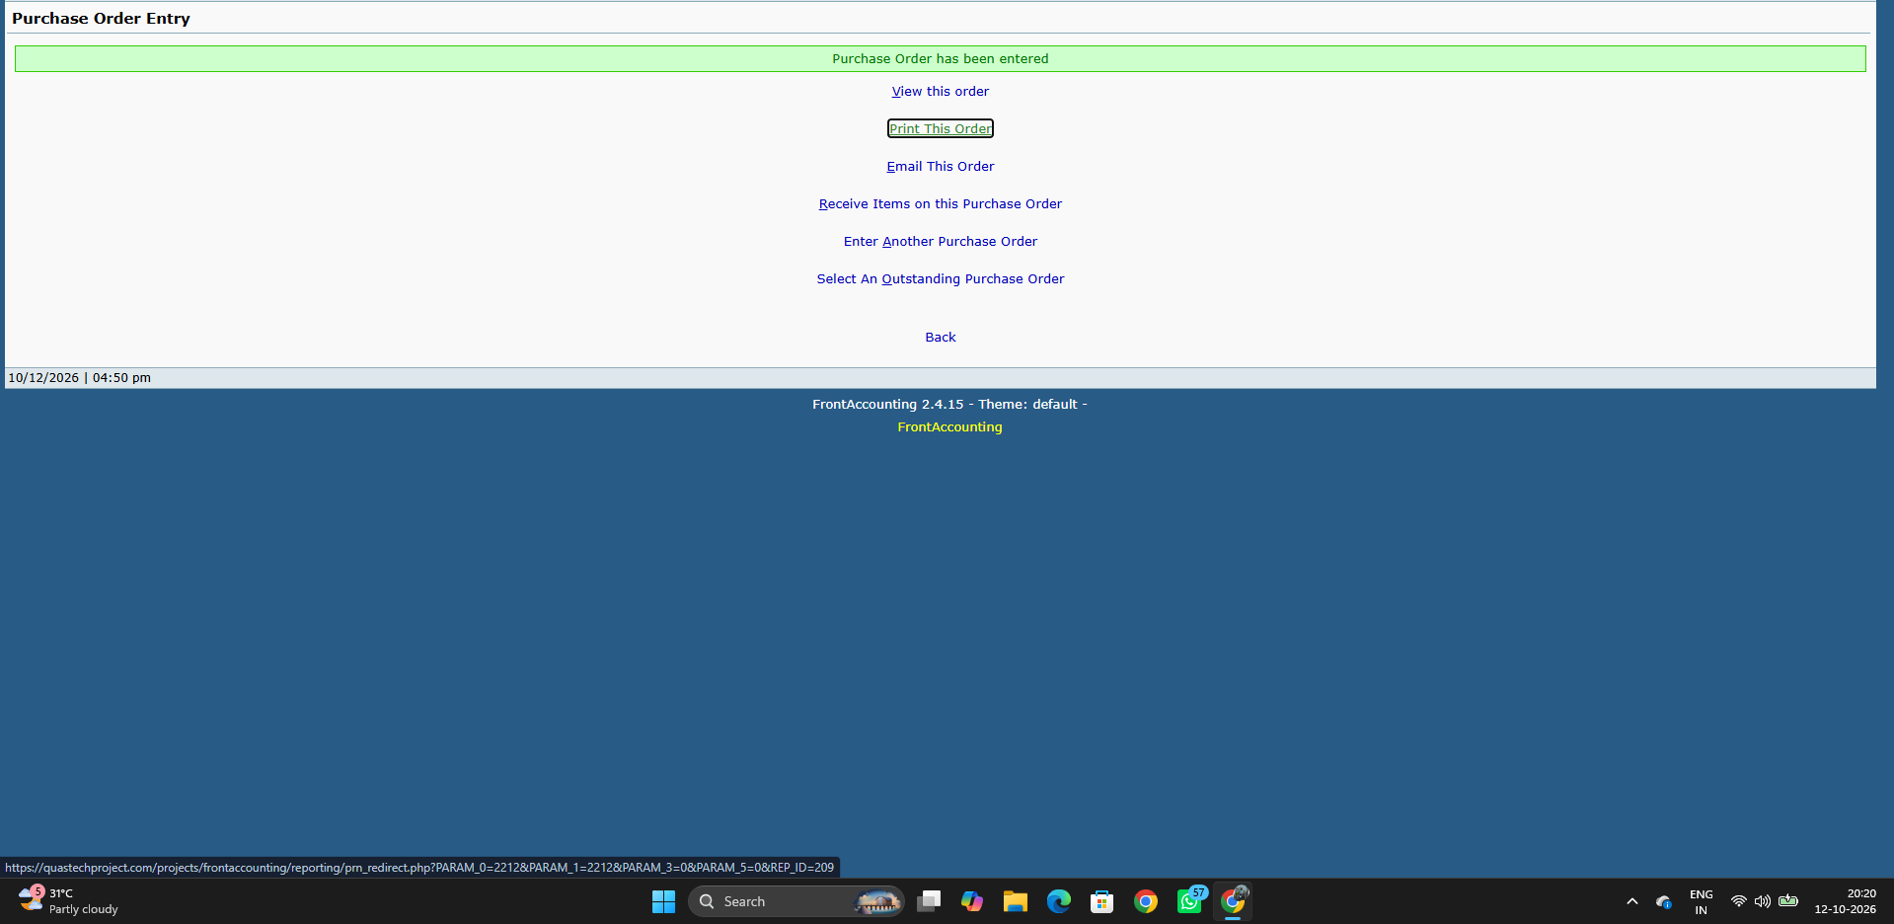

Price before Tax

To test or verify user can enter Valid Price befor tax
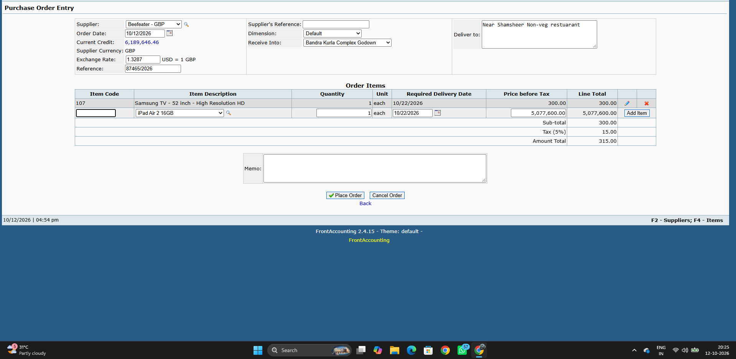

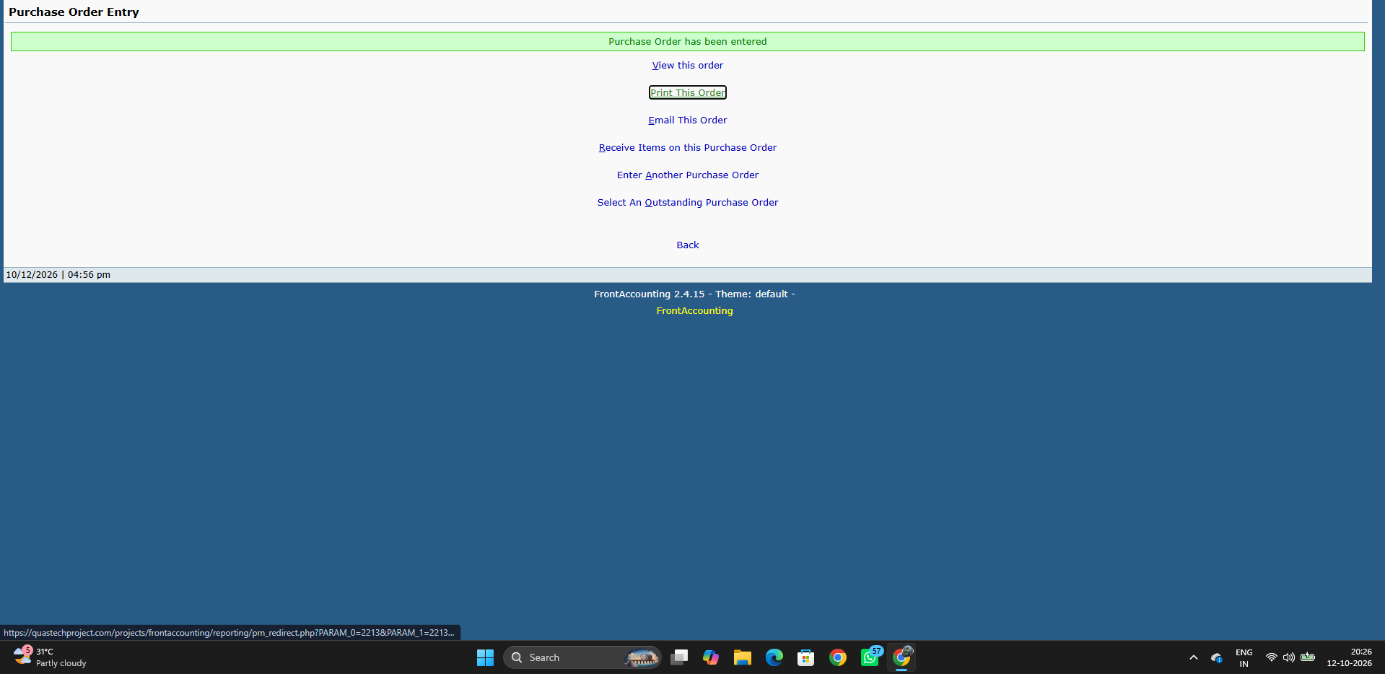

To test or verify user can enter Invalid/Blank/Negative Price befor tax

M7 SC_35_TC_01 TO SC_37_TC_02


MODULE 7 :- Receive Purchase Order Items

Update

To test or verify can update This delivery data when Quantity is Equal or less then Ordered unit





To test or verify can update This delivery data when Quantity is Blank or More then Ordered unit





Process Receive Item

To test or verify the Purchase get Processed when valid Data are entered





To test or verify the Purchase get Processed when Invalid/Blank Data are entered





Back

To test or verify that clicking the Back button navigates the user to the main Purchase module.

M8 SC_38_TC_01 TO SC_41_TC_02


MODULE 8:- Enter Supplier Invoice

Quantity Items Received for invoice

To test or verify the user can enter "Qty Yet To Invoice" is equal or less than "Quantity Received"





To test or verify the user can enter "Qty Yet To Invoice" is Blank/Negative/ More than "Quantity Received"



Enter Invoice Button

To test or verify the Purchase Invoice get Processed when Invalid/Blank Data are entered

M9 SC_42_TC_01 TO SC_47_TC_02

MODULE 9 :- Supplier Payment Entry

Bank Amount

Test or verify user can enter Valid Bank amount when select retailer


Test or verify user can enter Blank/Negative/Invalid Bank amount when Customer is Retailer


This Allocation

To test or verify user can add discount in "Amount of Discount" when valid value will be enter


To test or verify user can add discount in "Amount of Discount" when Blank/Invalid/Negative value will be enter


Enter a Payment Button

To test or verify the Payment get placed when valid Payment Amount, Bank charges,This allocation , Amount and Discount are entered.



To test or verify the Payment get placed when Invalid/Blank Payment Amount, Bank charges,This allocation , Amount and Discount are entered.

M10 SC_48_TC_01 TO SC_52_TC_01

SECTION:-3

To test or verify that the correct list of items is displayed when the user selects a value from the dropdown.

To test or verify date is accepted when Past date & Present date should be selected


To test or verify Item gets add when Item code, Item Description, Quantity entered valid



To test or verify the Process Transfer get Processed when valid Data are entered

